EXCEL FUNCTION and Descriptive
Function and Formula | start with = |  |  |  |  | SNO | STUDENTS EXAM MARK |  | Product (A*B)
SUM |  |  |  |  |  | 1 | 29
COUNT |  |  |  |  |  | 2 | 53 |  | A | B | ANSWER | syntax | Product
AVERAGE |  |  |  |  |  | 3 | 66 |  | 5 | 10 | 50 | M4*N4
POWER |  |  |  |  |  | 4 | 74 |  | 225 | 500 | 112500 | M5*N5
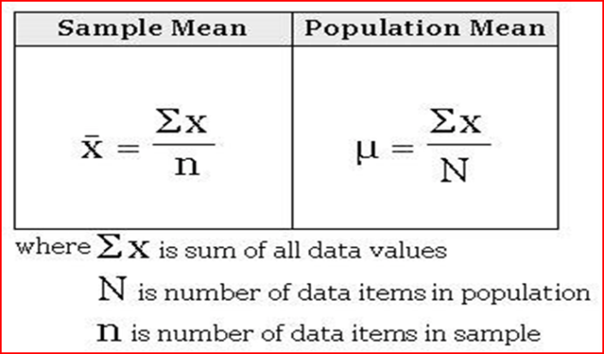
PRODUCT |  |  |  |  |  | 5 | 66
Descriptive statistics (MEASURE OF CENTRAL TENDENCY AND MEASURES OF VARIATION) |  |  |  |  |  | 6 | 62
MINIMUM |  |  |  |  |  | 7 | 41
MAXIMUM |  |  |  |  |  | 8 | 61 |  | POWER (A^B) |  |  | syntax | power
MEAN |  |  |  |  |  | 9 | 41
MEDIAN |  |  |  |  |  | 10 | 29 |  | A | B | ANSWER
MODE |  |  |  |  |  | 11 | 94 |  | 10 | 2 | 100 | 10^2 | M12^2
 |  |  |  |  |  | 12 | 85 |  | 10 | 5 | 100000 | 10^5 | M13^5
RANGE |  |  |  |  |  | 13 | 41
VARIANCE |  |  |  |  |  | 14 | 92
STANDARD DEVATION |  |  |  |  |  | 15 | 86
COEFFICIENT OF VARIATION |  |  |  |  |  | 16 | 81
STANDARD ERROR |  |  |  |  |  | 17 | 40
 |  |  |  |  |  | 18 | 37
 |  |  |  |  |  | 19 | 71
Quartiles |  |  |  |  |  | 20 | 76
IQR |  |  |  |  |  | 21 | 49
Percentiles |  |  |  |  |  | 22 | 53
 |  |  |  |  |  | 23 | 83
 |  |  |  |  |  | 24 | 84
 |  |  |  |  |  | 25 | 44
 |  |  |  |  |  | 26 | 74
 |  |  |  |  |  | 27 | 73
syntax=formulatex to revel the formula |  |  |  |  |  | 28 | 79
 |  |  |  |  |  | 29 | 60
 |  |  |  |  |  | 30 | 47
 |  |  |  |  |  | 31 | 74
 |  |  |  |  |  | 32 | 39
 |  |  |  |  |  | 33 | 62
 |  |  |  |  |  | 34 | 74
 |  |  |  |  |  | 35 | 30
 |  |  |  |  |  | 36 | 94
 |  |  |  |  |  | 37 | 61
 |  |  |  |  |  | 38 | 67
 |  |  |  |  |  | 39 | 73
 |  |  |  |  |  | 40 | 26
 |  |  |  |  |  | 41 | 30
 |  |  |  |  |  | 42 | 70
 |  |  |  |  |  | 43 | 58
 |  |  |  |  |  | 44 | 79
 |  |  |  |  |  | 45 | 82
 |  |  |  |  |  | 46 | 97
 |  |  |  |  |  | 47 | 66
 |  |  |  |  |  | 48 | 55
 |  |  |  |  |  | 49 | 59
 |  |  |  |  |  | 50 | 34
 |  |  |  |  |  | 51 | 90
 |  |  |  |  |  | 52 | 94
 |  |  |  |  |  | 53 | 42
 |  |  |  |  |  | 54 | 33
 |  |  |  |  |  | 55 | 32
 |  |  |  |  |  | 56 | 42
 |  |  |  |  |  | 57 | 93
 |  |  |  |  |  | 58 | 76
 |  |  |  |  |  | 59 | 48
 |  |  |  |  |  | 60 | 89
 |  |  |  |  |  | 61 | 78
 |  |  |  |  |  | 62 | 84
 |  |  |  |  |  | 63 | 45
 |  |  |  |  |  | 64 | 96
 |  |  |  |  |  | 65 | 54
 |  |  |  |  |  | 66 | 89
 |  |  |  |  |  | 67 | 29
 |  |  |  |  |  | 68 | 46
 |  |  |  |  |  | 69 | 52
 |  |  |  |  |  | 70 | 70
 |  |  |  |  |  |  |  |  | syntax=formulatex to revel the formula
 |  |  |  |  |  | MINIMUM | 26
 |  |  |  |  |  | MAXIMUM | 97
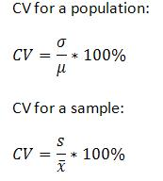
 |  |  |  |  |  | MEAN | 62.614285714
 |  |  |  |  |  | MEDIAN | 64
 |  |  |  |  |  | MODE | 74

 |  |  |  |  |  | RANGE
 |  |  |  |  |  | VARIANCE | 433.22587992 | 433.22587992
 |  |  |  |  |  | STANDARD DEVATION | 20.814078887
 |  |  |  |  |  | COEFFICIENT OF VARIATION | 33.241741321 | 33.241741321
 |  |  |  |  |  | COUNT | 70
 |  |  |  | SKEW |  | Skewness | -0.092965044483
 |  |  |  | KURT |  | Kurtosis | -1.1855196885
 |  |  |  |  |  | Large | 97 |  |  | LARGE(K2:K71,1)
 |  |  |  |  |  | Small | 26 |  |  | SMALL(K2:K71,1)
 |  |  |  |  |  | Second Largest | 96 |  |  | LARGE(K4:K73,2)
 |  |  |  |  |  | Third Smallest |  |  |  | SMALL(K4:K73,3)

 |  |  |  |  |  |  | skewness -1 to +1 considered approximately normally distributed

 |  |  |  |  |  |  | skew

 |  |  | Mean0 | SD | CV
 |  | HIGHT | 165 | 10 | 6.0606060606
 |  | Weight in | 65 | 10 | 15.384615385

 |  | CCV

Quartiles, percentiles, RANK
 | Percentiles divide a data set into 100 equal parts.

Quartiles break the data set into 4 equal parts. The first quartile, Q1, is the 25th percentile. The second quartile, Q2, is the 50th percentile. The third quartile, Q3, is the 75th percentile. Median is both the 50th percentile and the second quartile, Q2. |  |  |  | syntax | 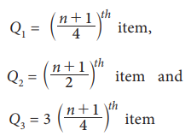 Percentile
 | SNO | STUDENTS EXAM MARK |  |  | Quartile |  |  | SNO | Sorted Marks
 | 1 | 29 |  |  |  |  |  | 1 | 26 |  | 10th Percentile
 | 2 | 53 |  |  |  |  |  | 2 | 26 |  | 25th Percentile
 | 3 | 66 |  |  |  |  |  | 3 | 29 |  | 75th Percentile
 | 4 | 74 |  |  | IQR | Q3-Q2 |  | 4 | 29 |  | 80th Percentile
 | 5 | 66 |  |  |  |  |  | 5 | 29
 | 6 | 62 |  |  | Q1 | 101/4 |  | 6 | 30
 | 7 | 41 |  |  | Q2 | 101/2 | Median | 7 | 30
 | 8 | 61 |  |  | Q3 | 3*(101/4) |  | 8 | 30
 | 9 | 41 |  |  |  |  |  | 9 | 32
 | 10 | 29 |  |  |  |  |  | 10 | 32
 | 11 | 94 |  |  |  |  |  | 11 | 32
 | 12 | 85 |  |  |  |  |  | 12 | 33
 | 13 | 41 |  |  |  |  |  | 13 | 33
 | 14 | 92 |  |  |  |  |  | 14 | 33
 | 15 | 86 |  |  |  |  |  | 15 | 34
 | 16 | 81 |  |  |  |  |  | 16 | 34
 | 17 | 40 |  |  |  |  |  | 17 | 34
 | 18 | 37 |  |  |  |  |  | 18 | 37
 | 19 | 71 |  |  |  |  |  | 19 | 39
 | 20 | 76 |  |  |  |  |  | 20 | 40
 | 21 | 49 |  |  |  |  |  | 21 | 41
 | 22 | 53 |  |  |  |  |  | 22 | 41
 | 23 | 83 |  |  |  |  |  | 23 | 41
 | 24 | 84 |  |  |  |  |  | 24 | 42
 | 25 | 44 |  |  |  |  |  | 25 | 42 | Q1 | (42+42)/2=42)
 | 26 | 74 |  |  |  |  |  | 26 | 42
 | 27 | 73 |  |  |  |  |  | 27 | 42
 | 28 | 80 |  |  |  |  |  | 28 | 42
 | 29 | 60 |  |  |  |  |  | 29 | 42
 | 30 | 47 |  |  |  |  |  | 30 | 42
 | 31 | 74 |  |  |  |  |  | 31 | 44
 | 32 | 39 |  |  |  |  |  | 32 | 45
 | 33 | 62 |  |  |  |  |  | 33 | 46
 | 34 | 74 |  |  |  |  |  | 34 | 47
 | 35 | 30 |  |  |  |  |  | 35 | 48
 | 36 | 94 |  |  |  |  |  | 36 | 49
 | 37 | 61 |  |  |  |  |  | 37 | 52
 | 38 | 67 |  |  |  |  |  | 38 | 53
 | 39 | 73 |  |  |  |  |  | 39 | 53
 | 40 | 26 |  |  |  |  |  | 40 | 54
 | 41 | 30 |  |  |  |  |  | 41 | 55
 | 42 | 70 |  |  |  |  |  | 42 | 55
 | 43 | 58 |  |  |  |  |  | 43 | 58
 | 44 | 79 |  |  |  |  |  | 44 | 58
 | 45 | 82 |  |  |  |  |  | 45 | 59
 | 46 | 97 |  |  |  |  |  | 46 | 59
 | 47 | 66 |  |  |  |  |  | 47 | 59
 | 48 | 55 |  |  |  |  |  | 48 | 60
 | 49 | 59 |  |  |  |  |  | 49 | 61
 | 50 | 34 |  |  |  |  |  | 50 | 61 | Q2 Median | (61+62)/2=61.5
 | 51 | 90 |  |  |  |  |  | 51 | 62
 | 52 | 94 |  |  |  |  |  | 52 | 62
 | 53 | 42 |  |  |  |  |  | 53 | 66
 | 54 | 33 |  |  |  |  |  | 54 | 66
 | 55 | 32 |  |  |  |  |  | 55 | 66
 | 56 | 42 |  |  |  |  |  | 56 | 66
 | 57 | 93 |  |  |  |  |  | 57 | 67
 | 58 | 76 |  |  |  |  |  | 58 | 67
 | 59 | 48 |  |  |  |  |  | 59 | 70
 | 60 | 89 |  |  |  |  |  | 60 | 70
 | 61 | 78 |  |  |  |  |  | 61 | 70
 | 62 | 84 |  |  |  |  |  | 62 | 71
 | 63 | 45 |  |  |  |  |  | 63 | 73
 | 64 | 96 |  |  |  |  |  | 64 | 73
 | 65 | 54 |  |  |  |  |  | 65 | 73
 | 66 | 89 |  |  |  |  |  | 66 | 74
 | 67 | 29 |  |  |  |  |  | 67 | 74
 | 68 | 46 |  |  |  |  |  | 68 | 74
 | 69 | 52 |  |  |  |  |  | 69 | 74
 | 70 | 70 |  |  |  |  |  | 70 | 76
 | 71 | 67 |  |  |  |  |  | 71 | 76
 | 72 | 73 |  |  |  |  |  | 72 | 78
 | 73 | 26 |  |  |  |  |  | 73 | 79
 | 74 | 30 |  |  |  |  |  | 74 | 79
 | 75 | 70 |  |  |  |  |  | 75 | 80 | Q3 | (80+81=80)
 | 76 | 58 |  |  |  |  |  | 76 | 81
 | 77 | 79 |  |  |  |  |  | 77 | 82
 | 78 | 82 |  |  |  |  |  | 78 | 82
 | 79 | 97 |  |  |  |  |  | 79 | 83
 | 80 | 66 |  |  |  |  |  | 80 | 84
 | 81 | 55 |  |  |  |  |  | 81 | 84
 | 82 | 59 |  |  |  |  |  | 82 | 85
 | 83 | 34 |  |  |  |  |  | 83 | 86
 | 84 | 90 |  |  |  |  |  | 84 | 89
 | 85 | 94 |  |  |  |  |  | 85 | 89
 | 86 | 42 |  |  |  |  |  | 86 | 90
 | 87 | 33 |  |  |  |  |  | 87 | 90
 | 88 | 32 |  |  |  |  |  | 88 | 90
 | 89 | 42 |  |  |  |  |  | 89 | 90
 | 90 | 59 |  |  |  |  |  | 90 | 92
 | 91 | 34 |  |  |  |  |  | 91 | 93
 | 92 | 90 |  |  |  |  |  | 92 | 94
 | 93 | 94 |  |  |  |  |  | 93 | 94
 | 94 | 42 |  |  |  |  |  | 94 | 94
 | 95 | 33 |  |  |  |  |  | 95 | 94
 | 96 | 32 |  |  |  |  |  | 96 | 94
 | 97 | 42 |  |  |  |  |  | 97 | 94
 | 98 | 90 |  |  |  |  |  | 98 | 96
 | 99 | 94 |  |  |  |  |  | 99 | 97
 | 100 | 42 |  |  |  |  |  | 100 | 97
 | MINIMUM |  |  | Minimum
 | Q1 | 42 |  | 25th Percentile | 42
 | Q2 | 61.5 | Median | 50th Percentile | 61.5
 | Q3 | 80.25 |  | 75th | 80.25
 | MAXIMUM |  |  | Maximum

Descrip Mean sd manual
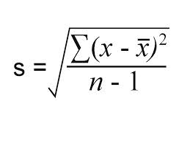
 | Weight Kg | X-Xbar | X-Xbar^2
 | 60
 | 42
 | 53
 | 49
 | 67
 | 47
 | 62
 | 48
 | 49
 | 55
 | 48
 | 46
 | 39
 | 66
 | 39
 | 51
 | 57
 | 37
 | 49
 | 37
Mean

Scatter diagram, correlation re
studyno | Body weight in Kg | Systolic blood pressure | X-Xbar | Y-Ybar | (X-Xbar)^2 | (Y-Ybar)^2 | (X-Xbar)*(Y-Ybar)
1 | 60 | 106 | 9.95 | 3.45 | 99.0025 | 11.9025 | 34.3275
2 | 42 | 111 | 42 | 111 | 1764 | 12321 | 4662
3 | 53 | 115 | 53 | 115 | 2809 | 13225 | 6095
4 | 49 | 102 | 49 | 102 | 2401 | 10404 | 4998
5 | 67 | 126 | 67 | 126 | 4489 | 15876 | 8442
6 | 47 | 85 | 47 | 85 | 2209 | 7225 | 3995
7 | 62 | 125 | 62 | 125 | 3844 | 15625 | 7750
8 | 48 | 103 | 48 | 103 | 2304 | 10609 | 4944
9 | 49 | 108 | 49 | 108 | 2401 | 11664 | 5292
10 | 55 | 98 | 55 | 98 | 3025 | 9604 | 5390
11 | 48 | 94 | 48 | 94 | 2304 | 8836 | 4512
12 | 46 | 97 | 46 | 97 | 2116 | 9409 | 4462
13 | 39 | 96 | 39 | 96 | 1521 | 9216 | 3744
14 | 66 | 115 | 66 | 115 | 4356 | 13225 | 7590
15 | 39 | 79 | 39 | 79 | 1521 | 6241 | 3081
16 | 51 | 108 | 51 | 108 | 2601 | 11664 | 5508
17 | 57 | 97 | 57 | 97 | 3249 | 9409 | 5529 |  | a
18 | 37 | 96 | 37 | 96 | 1369 | 9216 | 3552 |  | b
19 | 49 | 95 | 49 | 95 | 2401 | 9025 | 4655
20 | 37 | 95 | 37 | 95 | 1369 | 9025 | 3515
 | 50.05 | 102.55

 |  |  |  |  |  |  |  | 0.69196513251

 |  |  |  |  |  | Body weight in Kg | Systolic blood pressure
 |  |  |  |  | Body weight in Kg | 1
 |  |  |  |  | Systolic blood pressure | 0.69196513251 | 1

Regression
 | House Price in $1000s (Y) | Square Feet (X) | X^2 | Y^2 | XY |  | Square Feet (X) | House Price in $1000s (Y)
 | 245 | 1400 |  |  |  |  | 1400 | 245
 | 312 | 1600 |  |  |  |  | 1600 | 312
 | 279 | 1700 |  |  |  |  | 1700 | 279
 | 308 | 1875 |  |  |  |  | 1875 | 308
 | 199 | 1100 |  |  |  |  | 1100 | 199
 | 219 | 1550 |  |  |  |  | 1550 | 219
 | 405 | 2350 |  |  |  |  | 2350 | 405
 | 324 | 2450 |  |  |  |  | 2450 | 324
 | 319 | 1425 |  |  |  |  | 1425 | 319
 | 255 | 1700 |  |  |  |  | 1700 | 255
Ʃ
Ybar |  |  |  |  |  | Predict the price for a house with 2000 square feet
Xbar
ƩX
ƩY |  |  |  |  |  |  |  | Pearson correlation coeeficient | r
ƩX^2 |  |  |  |  |  |  |  |  |  |  |  |  | y=a+bx
ƩY^2
(ƩX)^2 |  |  |  |  |  |  |  |  |  |  |  | a
ƩXY |  |  |  |  |  |  |  |  |  |  |  | b

 |  |  |  |  |  |  |  |  | 1501 | 0 | 0

Bar chart and Pie Chart
Blood Group | Count
A | 40
B | 49
AB | 67
O | 17

Bar Chart
Months | Bears | Dolphins | whales
Jan | 8 | 34 | 34
Feb | 12 | 45 | 56
Mar | 14 | 67 | 87
Apr | 15 | 56 | 59
May | 28 | 78 | 60
June | 34 | 56 | 76

Multicategorical data
Main Category | Sub Category | Spent
Fruits | Apple | 168
 | Banana | 194
 | Orange | 120
Vegetable | Tomato | 90
 | Potato | 134
 | Onion | 80
Packaged Food | Sauce | 50
 | Noodle | 78
 | Milk | 197

Boxplot
African Catfish | Tilapia |  | Exercise 2 |  | Activity of catalase (unit/mg protein) in the liver of spotted snakehead Channa punctatus exposed to sub-lethal doses of atrazine
1.02 | 0.59 | Comparing means of groups | Control | 5mg/L | 10mg/L | 20mg/L | 40mg/L
1.65 | 0.59 |  | 111 | 123 | 142 | 151 | 180
1.43 | 0.54 |  | 112 | 125 | 143 | 156 | 178
1.45 | 0.65 |  | 123 | 134 | 146 | 158 | 192
0.89 | 0.56 |  | 121 | 136 | 138 | 148 | 189
1.20 | 0.47 |  | 114 | 132 | 139 | 160 | 182
1.07 | 0.50 |  | 120.7 | 138.7 | 138.3 | 157.6 | 188.7
This chart isn't available in your version of Excel.Editing this shape or saving this workbook into a different file format will permanently break the chart.
0.92 | 0.74 |  | 122.2 | 141.6 | 137.2 | 158.6 | 190.2
1.15 | 0.80 |  | 123.7 | 144.5 | 136.1 | 159.6 | 191.7
1.33 | 0.61 |  | 125.2 | 147.4 | 135 | 160.6 | 193.2
1.37 | 0.58 |  | 126.7 | 150.3 | 133.9 | 161.6 | 194.7
1.07 | 0.63 |  | 128.2 | 153.2 | 132.8 | 162.6 | 196.2
1.29 | 0.57 |  | 129.7 | 156.1 | 131.7 | 163.6 | 197.7
1.34 | 0.73 |  | 131.2 | 159 | 130.6 | 164.6 | 199.2
1.60 | 0.61 |  | 132.7 | 161.9 | 129.5 | 165.6 | 200.7
1.21 | 0.75 |  | 134.2 | 164.8 | 128.4 | 166.6 | 202.2
1.65 | 0.69 |  | 135.7 | 167.7 | 127.3 | 167.6 | 203.7
1.68 | 0.71 |  | 137.2 | 170.6 | 126.2 | 168.6 | 205.2
1.23 | 0.63 |  | 138.7 | 173.5 | 125.1 | 169.6 | 206.7
1.31 | 0.57 |  | 140.2 | 176.4 | 124 | 170.6 | 208.2
1.23 | 0.73
1.19 | 0.61
1.31 | 0.74
1.37 | 0.80
1.39 | 0.56

Donuts & Sunburst
 | DOUGHNUT graph and Pie chart |  |  |  |  | SUNBURST | After having graph, click graph, then click + Symbol, data labels, more data labels and then choose value from the options
 |  |  |  |  |  |  | To change colour, select each category and right click fill options choose the colour you want
 | Data for Dounut Chart |  |  |  | Relative shares of Aquaculture and Capture Fisheries in Production
students Blood groups | A | B | AB | O
Number | 20 | 30 | 50 | 35 |  | 2016 |  |  | 2030
 |  |  |  |  |  | Capture fisheries | Culture Fisheries (Aquaculture) |  | Capture fisheries | Culture Fisheries (Aquaculture)
 |  |  |  |  | Percentage | 53 | 47 | Percentage | 15 | 52
This chart isn't available in your version of Excel.Editing this shape or saving this workbook into a different file format will permanently break the chart.

graph with two axis
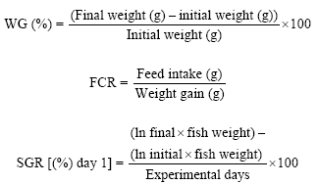
FCR and SGR of fish
Mean Values
Protein Levels | FCR | Survival Rate
30% | 2 | 80
40% | 1.8 | 85
50% | 1.2 | 95
60% | 1.2 | 96

SD Values
Protein Levels | FCR | Survival Rate
30% | 0.2 | 3
40% | 0.3 | 4
50% | 0.15 | 3
60% | 0.25 | 2

graph with two axis
Seasonal variation of GSI and HIS of fish

Months | Gonadosomatic Index (GSI %) | Hepatosomatic Index (HSI %)
January | 1.3 | 0.4
February | 1.6 | 0.5
March | 2.2 | 0.9
April | 2.5 | 1
May | 2.4 | 1.5
June | 2.8 | 1.9
July | 3.2 | 2.2
August | 3.5 | 2.5
September | 4 | 2.7
October | 2.5 | 2.9
November | 1.5 | 1
December | 1.1 | 0.9

Error Bars (2)
Free radical scavenging activity %
 | Mean
Concentration | White Flower
1 | 44.41
2.5 | 48.93
5 | 48.93
10 | 50.29
15 | 57.59
20 | 66.87

 | SD
Concentration | White Flower
1 | 1
2.5 | 2
5 | 1
10 | 2
15 | 3
20 | 4

Error Bars
Free radical scavenging activity %
 | Mean
Concentration | White Flower | Pink Flower | Light red flower | Red flower
1 | 44.41 | 49.03 | 49.85 | 44.96
2.5 | 48.93 | 48.96 | 50.73 | 45.65
5 | 48.93 | 48.49 | 47.80 | 48.24
10 | 50.29 | 47.82 | 56.24 | 55.09
15 | 57.59 | 49.62 | 60.33 | 72.12
20 | 66.87 | 51.40 | 79.27 | 78.75

 | SD
Concentration | White Flower | Pink Flower | Light red flower | Red flower
1 | 1 | 3 | 3 | 8
2.5 | 2 | 3 | 4 | 9
5 | 1 | 4 | 5 | 7
10 | 2 | 5 | 6 | 8
15 | 3 | 4 | 7 | 12
20 | 4 | 5 | 8 | 13

Chi square GOF EX1
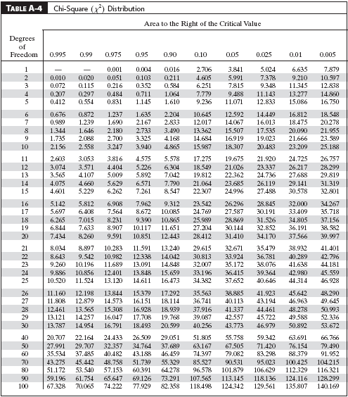
Suppose a market analyst wished to see whether consumers have any preference among five flavours of a new fruit soda. A sample of 100 people provided the following data

Flavours | Cherry | Strawberry | Orange | Lime | Grape | Total
Onserved | 32 | 28 | 16 | 14 | 10 | 100
Expected
O-E |  |  |  |  |  |  | E=100/5=20
(O-E)2
(O-E)2/E
 |  |  |  | Test chi stat |  | 0
 |  |  |  |  |  |  | Degrees of freedom = 5- 1 = 4
 |  |  |  | Critical value |  |  | See the Table value at 0.05 for DF 4 = 9.488
 |  |  |  | P value
To convert chi square statistic (df) to p-value | Type =CHISQ.DIST.RT
To compare the chi square statistic(df) and critical value to determine significant difference | Type=CHISQ.INV.RT

Oneway anova training worksheet
 | Beginner (Time duration to complete spreadsheet program) | Intermediate (Time duration to complete spreadsheet program) | Advanced training (Time duration to complete spreadsheet program) |  |  |  |  | Post Hoc Test
1 | 26 | 23 | 25.3 |  |  |  |  | Tukey-Kramer Critical Range
2 | 25.4 | 23 | 23
3 | 27.2 | 23 | 23
4 | 27.2 | 22 | 24
5 | 28.1 | 24 | 23
6 | 26.12 | 26 | 24
7 | 29 | 26.1 | 25
8 | 26.12 | 26 | 23 |  |  |  |  |  | Qα = | Upper Tail Critical Value from Studentized Range Distribution with c and n - c degrees of freedom
9 | 33 | 24 | 24 |  |  |  |  |  |  | MSW = Mean Square Within
10 | 30.3 | 25 | 23.2 |  |  |  |  |  |  | nj and nj’ = Sample sizes from groups j and j’
Mean
Grand mean
Sd |  |  |  |  |  |  |  |  | Compute absolute mean differences:
n | 10 |  |  |  |  |  |  |  | Find the Qα value from the table in appendix with
N | 30 |  |  |  |  |  |  |  |  | c = 3 and (n – c) = (30 – 3) = 27 degrees of freedom:
SSA | 0 |  |  |  |  |  |  |  | Decision
 |  |  |  |  |  |  |  |  |  | If the absolute mean differences between the groups greater than the critical ran Q alpha, the neans are statistically different
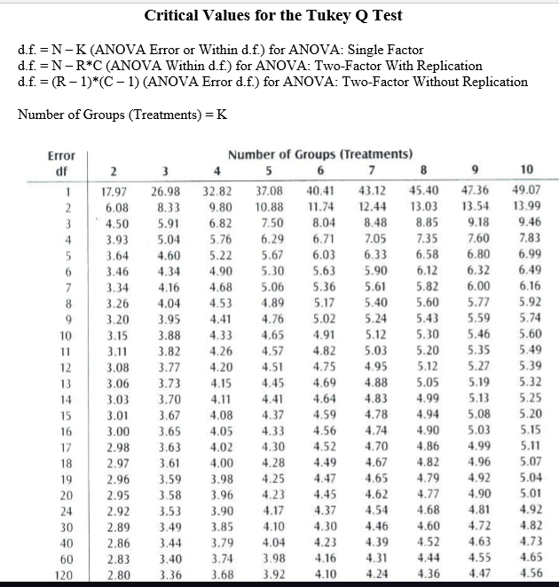
SSW | Beginner | Intermediate | Advanced
 | 676

 |  |  |  |  |  |  |  |  | XBar1 | XBar2 | XBar3
 |  |  |  |  |  |  |  |  | 27.844 | 24.21 | 23.75

 |  |  |  |  |  |  |  | XBar1-XBar2
SSW |  |  | c | 3 |  |  |  | XBar1-XBar3
MSA |  |  | n | 30 |  |  |  | XBar2-XBar3
MSW |  |  | df1 = c-1 | 2
 |  |  | df2= =n-c | 27
F stat |  |  |  |  |  |  | Qalpha =3.49
P value |  |  |  |  |  |  | Critical region | 0
F critical

F critical | to find F critical or table value in Excel Type F.INV.RT |  |  |  |  |  | (3.49)*(SQRT(B32/2)*(1/10+1/10+1/10))
 | to find pvalue F.Dist.RT

ANOVA
Source of Variation | SS | df | MS | F | P-value | F crit
Between Groups
Within Groups

Total

Table for Research paper
Groups | Mean | SD | F | P value
Beginner
Intermediate
Advanced training
Each value is the mean of 10 participants, Mean values bearing different alphabets are statistically significant (P<0.05)

